前提条件 Pre-Requisite
 | 前提条件 /Prerequisite

 | select * from J_EDI_SND_DB_SEIKYU_CHK a
 | where a.DATA_KOKAN_ID = '001126'
 | and a.EDI_KINO_CATEGORY_CD = 'A130'
 | and a.EDI_SND_JOKYO_SBT = '0'
 | SND_SEQ_NO | KEIJO_JOKYO_SBT | ERR_SBT | SIGN_KBN | SIR_DEN_NO | DATA_KOKAN_ID | EDI_KINO_CATEGORY_CD | ERR_MSG_HININ_RIYU | SOSHIKI_CD | TANTO | REG_YMD | KEIJO_YMD | SUP_CD | RCV_SEQ_NO | EDI_SND_JOKYO_SBT | SND_DT | SND_DATA_DEL_KBN | SHUKKA_HOKOKU_NO | ITEM_CD | EDI_SHOGO_KEY | HAN_CHUMON_NO | FUNC_UKETSUKE_NO | DEL_KBN | CREATE_DT | CREATE_USR | CREATE_FUNC | NEW_UPDATE_DT | NEW_UPDATE_USR | NEW_UPDATE_FUNC | UPDATE_CNT
 | S501708784 | 1 | 7 |  | DB08933963 | 001126 | A130 |  | 13402 | 17013 | 20170630 | 20170629 | 0067480103 | SA05441022 | 0 |  | 0 | 081175412790000 | 0000015816 | 0109205179 |  | 480473 | 0 | 2017/07/03 21:56:55 | 99999 | SABN150PGM010 | 2017/07/04 10:02:42 | EDI | A130_J033 | 2
 | S501708785 | 1 | 7 |  | DB08933929 | 001126 | A130 |  | 13402 | 17013 | 20170630 | 20170629 | 0067480103 | SA05441021 | 0 |  | 0 | 081175412690000 | 0000015816 | 0109205148 |  | 480473 | 0 | 2017/07/03 21:56:55 | 99999 | SABN150PGM010 | 2017/07/04 10:02:42 | EDI | A130_J033 | 2

 | select * from J_EDI_RCV_DB_SUP
 | where DATA_KOKAN_ID = '001126'
 | AND RCV_SEQ_NO in ('SA05441022','SA05441021')
 | RCV_SEQ_NO | DATA_KOKAN_ID | EDI_KINO_CATEGORY_CD | HAN_FUMEI_KBN | HAN_CD | HAN_CD_KAKUTEI | RCV_SOSHIKI_CD | RCV_SOSHIKI_CD_KAKUTEI | CONFIRM_SIR_SKNIN_SSHK_CD_OLD | CONFIRM_SIR_SKNIN_SSHK_CD_NEW | SUP_FUMEI_KBN | SUP_CD | SUP_CD_KAKUTEI | ITEM_FUMEI_KBN | ITEM_CD | ITEM_CD_KAKUTEI | ITEM_BESSHO_CD | SOKO_FUMEI_KBN | SOKO_CD | SOKO_CD_KAKUTEI | HOMBU_CD | NNY_CD | NNY_CD_KAKUTEI | NNY_NM | NNY_NM_KAKUTEI | MENU_NO | ITEM_TAIHI_AITE_CD | HAN_TAIHI_AITE_CD | HAC_BUSHO_TAIHI_AITE_CD | EDI_SHOGO_KEY | FUNC_UKETSUKE_NO | RCV_YMD | RCV_TM | RCV_FUNC_KEKKA_TSUCHI | ERR_MSG_HININ_RIYU | IK_FREE_SPACE1 | IK_FREE_SPACE2 | IK_FREE_SPACE3 | IK_FREE_SPACE4 | IK_FREE_SPACE5 | IK_FREE_SPACE6 | IK_FREE_SPACE7 | IK_FREE_SPACE8 | IK_FREE_SPACE9 | IK_FREE_SPACE10 | ITEM_NM_TSUIKI | URI_TANK | URI_GAKU_HONTAI | EDI_SEIKYU_GAKU_KAKUTEI | EDI_SHOHIZEI_GAKU_KAKUTEI | ZEIKOMI_SEIKYU_GAKU_KAKUTEI | SUP_KEIJO_YMD | KEIJO_YMD | SUP_URI_NO | JURYO | EDI_PAY_SIGHT | MEMO | TEISEI_H_AITE_SHOGO_NO | MK_JIGYOSHO | MK_ITEM_CD_FULL | SHUKKA_BASHO_NM | EDI_MK_NISUGATA_NM | KOJO_NM | GEMBA_NM | HAN_ARER | TANTOKA_CD | KANJI_NOTE_SBT | NOTE | GRADE_COLOR_NO | EDI_ITEM_WIDTH | EDI_ITEM_LENGTH | EDI_ITEM_THICK | EDI_ITEM_DAITAIHIN_WIDTH | HAN_HIMBAN | LIST_OUT_YO_ERR_NAIYO | SIR_DEN_NO | URI_DEN_NO | SOSAI_RCV_SEQ_NO | EDI_PAY_SHIMEKIRI_YMD | HENKOGO_KIJITSU_YMD | PAY_SHOGO_NO | SHUKKA_SEIKYU_CHK_NO_SAIMU | KEIJO_JOKYO_SBT_KARISHIME | EDI_PAY_SHIME_SBT | EDI_PAY_SBT | DAIHYOATE_MAIL_SND_KBN | ACT_HANEI_YN_KBN | ACT_HANEI_ZUMI_KBN | MST_HANEI_ZUMI_KBN | KAKAKU_MST_SHOGO_AUTO_ADD_KBN | KAKAKU_MST_SHOGO_KEY_SBT | KAKAKU_MST_SHOGO_KEY | EDI_URI_GAKU_KAKUTEI_ZUMI_KBN | AUTO_ADD_TAISHOGAI_KBN | NETNET_AUTO_ADD_TAISHO_KBN | SHUKKA_SEIKYU_CHK_ZUMI_KBN | RECORD_DEL_KANO_KBN | RCV_KOUMOKU_TEISEIKA_KBN | LIST_OUT_ZUMI_KBN | BATCH_FUNC_KANRYO_KBN | SIR_TAX_FUNC_CD | SIR_TAX_FUNC_CD_CONFIRM | URI_TAX_FUNC_CD | URI_TAX_FUNC_CD_CONFIRM | EIGYO_TANTO_CD | INP_TANTO_CD | ERR_LEVEL_SBT | ERR_SBT | SUP_KAITO_SBT | USR_HAC_FUNC_SBT | SEIKYU_CHK_CREATE_SBT | CHK_SBT | EDI_KEIJO_SBT | EDI_KEIJO_SBT_KAKUTEI | KEIJO_JOKYO_SBT | AUTO_DEL_JISSHI_JOKYO_SBT | ACT_ERR_CD | EDI_SEIKYU_DATA_KBN | JPCA_RESERVE | JPCA_BPID | JPCA_SND_RCV | JPCA_INF_KBN | JPCA_JISHA_CD | JPCA_AITE_SAKI_CD | JPCA_SIR_EDI_DATA_SBT_CD | JPCA_FUNC_KBN | JPCA_FUNC_YMD | JPCA_FUNC_HMS | JPCA_AKAKURO_KBN | JPCA_HACSHA_KIGYO_CD | JPCA_HACSHA_BMN_CD | JPCA_NEW_HACSHA_KIGYO_CD | JPCA_NEW_HACSHA_BMN_CD | JPCA_JUC_KIGYO_CD | JPCA_JUC_BMN_CD | JPCA_SEIKYU_KIGYO_CD | JPCA_SEIKYU_BMN_CD | JPCA_PAY_KIGYO_CD | JPCA_PAY_BMN_CD | JPCA_KEIYAKU_NO | JPCA_JISSHI_YMD | JPCA_EDI_CHUMON_NO | JPCA_HACSHA_CHUMON_D | JPCA_HACSHA_CHUMON_TM | JPCA_ORDER_KBN | JPCA_RENRAKU_YN_KBN | JPCA_SU_SHITEI_KBN | JPCA_HAC_COMMENT_KANA | JPCA_HAC_COMMENT_KANJI | JPCA_EDI_JUC_NO | JPCA_JUC_CHUMON_UKETSUKE_D | JPCA_JUC_CHUMON_UKETSUKE_TM | JPCA_JUC_CHUMON_KAKUTEI_D | JPCA_BUNNO_KBN | JPCA_JUC_FUNC_KBN | JPCA_ITEM_NM_GROUP | JPCA_ITEM_NMK | JPCA_ITEM_NM_KANJI | JPCA_LOT_NO_SHITEI_KBN | JPCA_LOT_NO | JPCA_JUYOKA_KIGYO_CD | JPCA_JUYOKA_BMN_CD | JPCA_JUYOKA_NMK | JPCA_JUYOKA_NM_KANJI | JPCA_JUYOKA_CHUMON_NO | JPCA_NIJITEN_KIGYO_CD | JPCA_NIJITEN_BMN_CD | JPCA_NIJITEN_NMK | JPCA_NIJITEN_NM | JPCA_SANJITEN_KIGYO_CD | JPCA_SANJITEN_BMN_CD | JPCA_SANJITEN_NMK | JPCA_SANJITEN_NM | JPCA_KESSAI_JOKEN_SHIMEKIRI_D | JPCA_KESSAI_JOKEN_KISAN_D | JPCA_KESSAI_JOKEN_SHUDAN | JPCA_KESSAI_JOKEN_MANKI_D | JPCA_KESSAI_KIJUN | JPCA_KESSAI_JOKEN | JPCA_SU_KAKUTEI_KBN | JPCA_HAN_TANK | JPCA_TANK_UNIT | JPCA_TANK_KBN | JPCA_KOSEN_KBN | JPCA_KOSEN_TANK | JPCA_KOSEN | JPCA_NIJITEN_KOSEN_KBN | JPCA_NIJITEN_KOSEN_TANK | JPCA_NIJITEN_KOSEN | JPCA_NNY_KIGYO_CD | JPCA_NNY_BMN_CD | JPCA_NNY_NMK | JPCA_NNY_NM_KANJI | JPCA_EDI_UKEWATASHI_JOKEN | JPCA_UKEWATASHI_BASHO_ADDRK | JPCA_UKEWATASHI_BASHO_ADDR | JPCA_CHIKU_CD | JPCA_ZIP | JPCA_EDI_TEL | JPCA_FAX | JPCA_KIBO_NONYU_YMD | JPCA_KIBO_NONYU_TM | JPCA_KIBO_NONYU_COMMENT | JPCA_NONYU_YMD_YOTEI | JPCA_NONYU_YOKEN_KANA | JPCA_NONYU_YOKEN_KANJI | JPCA_EDI_PAY_GAKU | JPCA_PAY_SEIRI_NO | JPCA_TEGATA_NO_KOGITTE | JPCA_ISSUE_BANK_CD | JPCA_ISSUE_BANK_NM | JPCA_FURIKOMI_BANK_CD | JPCA_FURIKOMI_BANK_NM | JPCA_KOZA_NO | JPCA_PAY_YOKEN | JPCA_CHUMON_SU | JPCA_CHUMON_HAN_KOSU | JPCA_CHUMON_SU_UNIT | JPCA_HAN_SU | JPCA_GAKU_CLC_SU | JPCA_EDI_NISUGATA | JPCA_YORYO | JPCA_HAN_GAKU | JPCA_EDI_SEIKYU_GAKU | JPCA_EDI_SHOHIZEI_GAKU | JPCA_ZEIKOMI_SEIKYU_GAKU | JPCA_TANK_GAKU_KBN | JPCA_EDI_TORIHIKI_KBN_CD | JPCA_SOKYU_KBN | JPCA_SHUKKA_SEIKYU_KBN | JPCA_KAZEI_KBN | JPCA_BACK_ORDER_KEIJO_KBN | JPCA_KEIJO_YM | JPCA_WARIMASHI_HIKI_KBN | JPCA_WARIMASHI_HIKI_RIYU | JPCA_SHUKKA_YMD_YOTEI | JPCA_SHUKKA_HOKOKU_NO | JPCA_SHUKKA_SEIKYU_NO | JPCA_SHUKKA_BASHO | JPCA_SHUKKA_SHIJI_COMMENT_KANA | JPCA_SHUKKA_SHIJI_COMMENT_KANJ | JPCA_YUSO_SHUDAN | JPCA_YUSO_SHARYO | JPCA_HACSHA_INF | JPCA_JUC_INF | JPCA_DOM_EXP_KBN | JPCA_ERR_RIYU | JPCA_ERR_COMMENT_KANA | JPCA_ERR_COMMENT_KANJI | JPCA_SEIKYU_CHK_KBN | JPCA_YOBI_KANA | JPCA_YOBI_KANJI | AITE_SAKI_BETSU_DATA | DEL_KBN | CREATE_DT
 | SA05441021 | 001126 | A100 | 0 | 0013230021 | 0013230021 | 137 | 13402 | 13402 | 13402 | 0 | 0067480103 | 0067480103 | 1 |  | 0000015816 | 01 | 0 |  |  |  |  |  | ■■ポ■■本■ | ■■ポ■■本■ | 08 | AT01G200CFEC | A1713201 | A0001916 | 0109205148 | 479804 | 20170630 | 090933 |  | MAASAB4219I |  |  |  |  |  |  |  |  |  |  |  | 0 | 0 | 512640 | 41011 | 553651 |  | 20170629 | 0109205148 | 0 | 000 |  |  |  |  |  |  |  |  |  |  | K | ４ｔ車迄可パレット不／注ＮＯ．０５００１５３ |  | 0 | 0 | 0 | 0 |  |  | DB08933929 | DA08933929 |  | 20170630 | 20170831 | GM00171333 |  | 1 | 1 | 1 | 0 | 1 | 1 | 0 | 1 | Z | AT01G200CFEC | 0 | 1 | 0 | 0 | 0 | 0 | 0 | 1 | 115 | 125 | 111 | 121 | 99005 | 17013 | 3 | 7 | V | 0 | 2 | A | 11 | 11 | 1 | 0 |  |  |  |  |  | A100 |  |  |  | 1 |  |  |  |  |  |  |  |  | M2 |  |  |  |  |  |  | 0500153146 |  |  |  |  |  |  |  | 0109205148 |  |  |  |  |  |  |  | ■■０■■ ■■０■■フ■■ン |  |  |  |  |  |  |  |  |  |  |  |  |  |  |  | 20170630 | 20170731 | 3 | 20170831 |  |  |  | 170.88 | KG |  |  | 0 | 0 |  | 0 | 0 |  |  |  | ■■ポ■■本■ |  |  |  |  |  |  |  | 20170630 |  |  | 20170630 |  |  | 0 |  |  |  |  |  |  |  |  | 0 | 0 | ZZZ | 3000 | 3000 |  | 0 | 0 | 512640 | 41011 | 553651 |  |  |  |  |  |  |  |  |  | 20170629 | 081175412690000 | 0910564156 |  |  |  |  |  |  |  |  |  |  |  |  |  | ４ｔ車迄可パレット不／注ＮＯ．０５００１５３ | #JPCA0102R1710101913000010114876000001171011706300901282 3040TSM2 A0001916 A1713201T000000005001531460000000000 ４ｔ車迄可パレット不／注ＮＯ．０５００１５３01092051481706201102000010 PS1 AT01G200CFEC Ｇ２００Ｃ ５００ｋｇフレコン 7621H6 A1713201 ニッポー 本社 17063017073131708311 10000000178000KG 200000000040000000000000000 00000000000000000000000000A1713201 ニッポー 本社 氷野２－３－７ 27 5740062072-870-8866072-870-7610170630 170630 新ＬＯＴ試験成績書添付／ＡＭ着希望 0000000000000 0910564156000010 0000000 00000030000000000000006000KG 00000030000000000000000000BAG 0000000500000000000053400000000005126400000000041011000000055365111 11 206291706290811754126900001 MC00 大東市 2017020001323100110 1 JPY 0910564156000010 | 0 | 2017/06/30 09:09:33
 | SA05441022 | 001126 | A100 | 0 | 0013230021 | 0013230021 | 137 | 13402 | 13402 | 13402 | 0 | 0067480103 | 0067480103 | 1 |  | 0000015816 | 01 | 0 |  |  |  |  |  | ■■ポ■■本■ | ■■ポ■■本■ | 08 | AT03H350XFEC | A1713201 | A0001916 | 0109205179 | 479804 | 20170630 | 090933 |  | MAASAB4219I |  |  |  |  |  |  |  |  |  |  |  | 0 | 0 | 175680 | 14054 | 189734 |  | 20170629 | 0109205179 | 0 | 000 |  |  |  |  |  |  |  |  |  |  | K | ４ｔ車迄可パレット不／注ＮＯ．０５００１５３ |  | 0 | 0 | 0 | 0 |  |  | DB08933963 | DA08933963 |  | 20170630 | 20170831 | GM00171333 |  | 1 | 1 | 1 | 0 | 1 | 1 | 0 | 1 | Z | AT03H350XFEC | 0 | 1 | 0 | 0 | 0 | 0 | 0 | 1 | 115 | 125 | 111 | 121 | 99005 | 17013 | 3 | 7 | V | 0 | 2 | A | 11 | 11 | 1 | 0 |  |  |  |  |  | A100 |  |  |  | 1 |  |  |  |  |  |  |  |  | M2 |  |  |  |  |  |  | 0500153148 |  |  |  |  |  |  |  | 0109205179 |  |  |  |  |  |  |  | ■■５■■５■■ｋ■■レ■■ |  |  |  |  |  |  |  |  |  |  |  |  |  |  |  | 20170630 | 20170731 | 3 | 20170831 |  |  |  | 175.68 | KG |  |  | 0 | 0 |  | 0 | 0 |  |  |  | ■■ポ■■本■ |  |  |  |  |  |  |  | 20170630 |  |  | 20170630 |  |  | 0 |  |  |  |  |  |  |  |  | 0 | 0 | ZZZ | 1000 | 1000 |  | 0 | 0 | 175680 | 14054 | 189734 |  |  |  |  |  |  |  |  |  | 20170629 | 081175412790000 | 0910564157 |  |  |  |  |  |  |  |  |  |  |  |  |  | ４ｔ車迄可パレット不／注ＮＯ．０５００１５３ | #JPCA0102R1710101913000010114876000001171011706300901282 3040TSM2 A0001916 A1713201T000000005001531480000000000 ４ｔ車迄可パレット不／注ＮＯ．０５００１５３01092051791706201105000010 PS2 AT03H350XFEC Ｈ３５０ ５００ｋｇフレコン 7614R3 A1713201 ニッポー 本社 17063017073131708311 10000000183000KG 200000000040000000000000000 00000000000000000000000000A1713201 ニッポー 本社 氷野２－３－７ 27 5740062072-870-8866072-870-7610170630 170630 新ＬＯＴ試験成績書添付／ＡＭ着希望 0000000000000 0910564157000010 0000000 00000010000000000000002000KG 00000010000000000000000000BAG 0000000500000000000018300000000001756800000000014054000000018973411 11 206291706290811754127900001 MC00 大東市 2017020001323200110 1 JPY 0910564157000010 | 0 | 2017/06/30 09:09:33

 | 実施 /Implementation

 | ジョブネット実行 /Jobnet execution
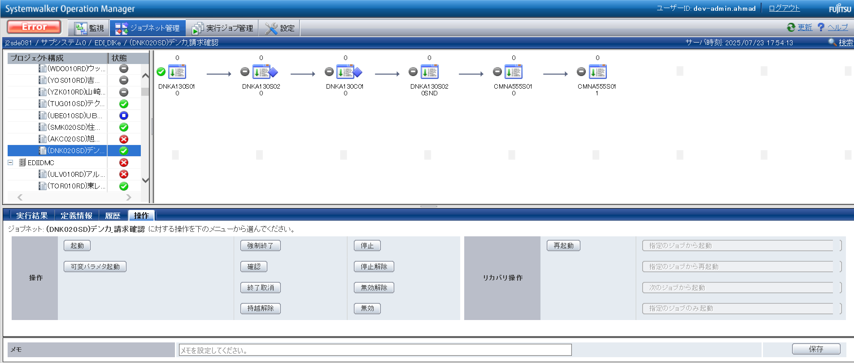

END

正常終了_Normal
No.20

 | 前提条件 /Prerequisite

 | 特になし。 | /N/A

 | 実施 /Implementation

 | ジョブネット正常終了 /Job net completed normally
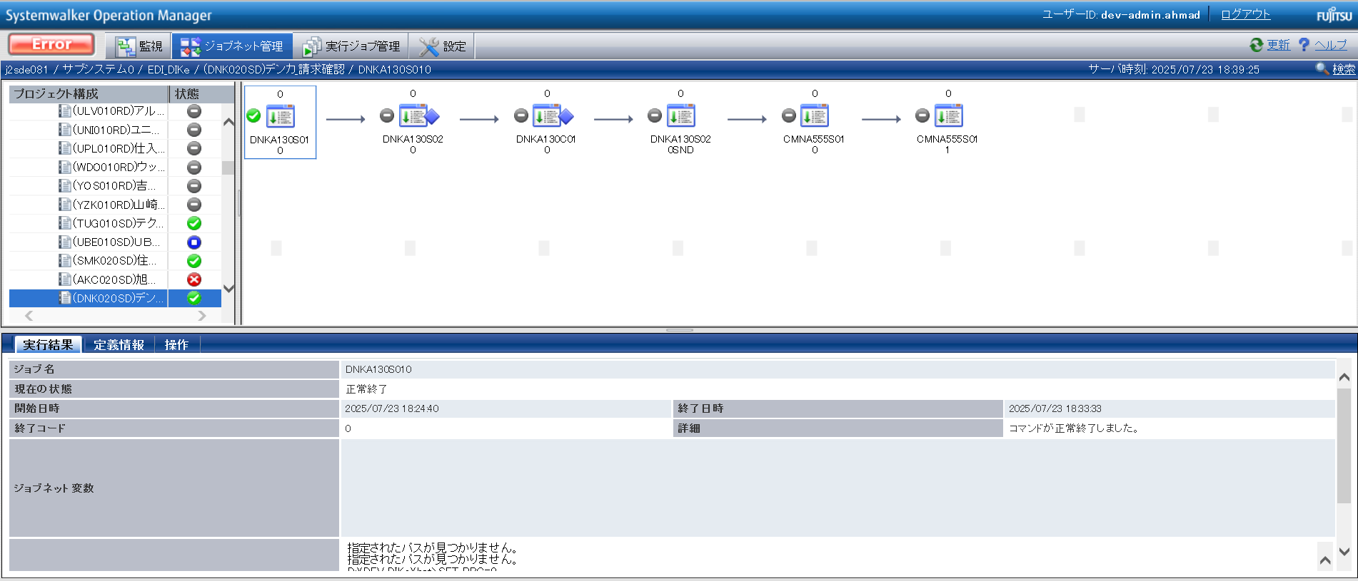

確認観点 ① /Confirmation viewpoint ①
/Systemwalker終了コード"0"で終了を確認。
/Confirmed termination with Systemwalker exit code "0".

No.20 OK

No.5
No.6
No.7
No.9

 | 前提条件 /Prerequisite

 | 特になし。 | /N/A

 | 実施 /Implementation

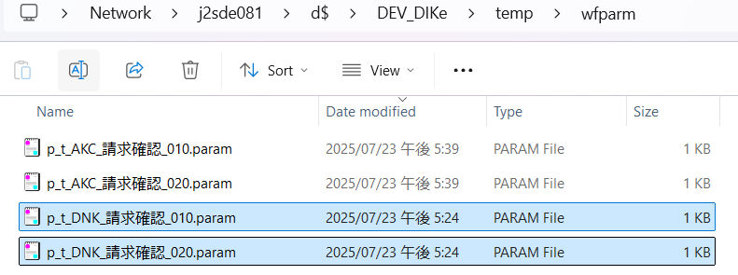

確認観点① /Confirmation viewpoint ①
指定したパスに生成される「p_t_DNK_請求確認_010.param」, 「p_t_DNK_請求確認_020.param」のパス。
/Path of "p_t_DNK_請求確認_010.param","p_t_DNK_請求確認_020.param", generated at specified path.

 | 1) p_t_DNK_請求確認_010.param

確認観点 ② /Confirmation viewpoint ②
/詳細が正しいことを確認しました。
/Confirmed the details are correct.

 | 2) p_t_DNK_請求確認_020.param
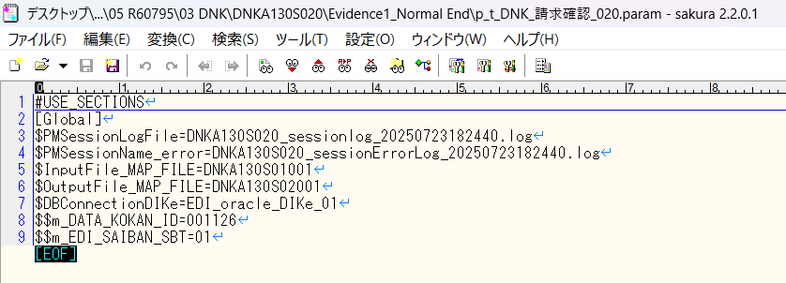

確認観点 ② /Confirmation viewpoint ②
/詳細が正しいことを確認しました。
/Confirmed the details are correct.

No.05 OK
No.06 OK
No.07 OK
No.09 OK

No.13

 | 前提条件 /Prerequisite

 | [No.13_データ入力]シートを参照

 | 実施 /Implementation

 | SELECT *
 | FROM v$locked_object lo
 | JOIN dba_objects ao ON lo.object_id = ao.object_id
 | JOIN v$session s ON lo.session_id = s.sid;
 | XIDUSN | XIDSLOT | XIDSQN | OBJECT_ID | SESSION_ID | ORACLE_USERNAME | OS_USER_NAME | PROCESS | LOCKED_MODE | CON_ID | OWNER | OBJECT_NAME | SUBOBJECT_NAME | OBJECT_ID_1 | DATA_OBJECT_ID | OBJECT_TYPE | CREATED | LAST_DDL_TIME | TIMESTAMP | STATUS | TEMPORARY | GENERATED | SECONDARY | NAMESPACE | EDITION_NAME | SHARING | EDITIONABLE | ORACLE_MAINTAINED | APPLICATION | DEFAULT_COLLATION | DUPLICATED | SHARDED | CREATED_APPID | CREATED_VSNID | MODIFIED_APPID | MODIFIED_VSNID | SADDR | SID | SERIAL# | AUDSID | PADDR | USER# | USERNAME | COMMAND | OWNERID | TADDR | LOCKWAIT | STATUS_1 | SERVER | SCHEMA# | SCHEMANAME | OSUSER | PROCESS_1 | MACHINE | PORT | TERMINAL | PROGRAM | TYPE | SQL_ADDRESS | SQL_HASH_VALUE | SQL_ID | SQL_CHILD_NUMBER | SQL_EXEC_START | SQL_EXEC_ID | PREV_SQL_ADDR | PREV_HASH_VALUE | PREV_SQL_ID | PREV_CHILD_NUMBER | PREV_EXEC_START | PREV_EXEC_ID | PLSQL_ENTRY_OBJECT_ID | PLSQL_ENTRY_SUBPROGRAM_ID | PLSQL_OBJECT_ID | PLSQL_SUBPROGRAM_ID | MODULE | MODULE_HASH | ACTION | ACTION_HASH | CLIENT_INFO | FIXED_TABLE_SEQUENCE | ROW_WAIT_OBJ# | ROW_WAIT_FILE# | ROW_WAIT_BLOCK# | ROW_WAIT_ROW# | TOP_LEVEL_CALL# | LOGON_TIME | LAST_CALL_ET | PDML_ENABLED | FAILOVER_TYPE | FAILOVER_METHOD | FAILED_OVER | RESOURCE_CONSUMER_GROUP | PDML_STATUS | PDDL_STATUS | PQ_STATUS | CURRENT_QUEUE_DURATION | CLIENT_IDENTIFIER | BLOCKING_SESSION_STATUS | BLOCKING_INSTANCE | BLOCKING_SESSION | FINAL_BLOCKING_SESSION_STATUS | FINAL_BLOCKING_INSTANCE | FINAL_BLOCKING_SESSION | SEQ# | EVENT# | EVENT | P1TEXT | P1 | P1RAW | P2TEXT | P2 | P2RAW | P3TEXT | P3 | P3RAW | WAIT_CLASS_ID | WAIT_CLASS# | WAIT_CLASS | WAIT_TIME | SECONDS_IN_WAIT | STATE | WAIT_TIME_MICRO | TIME_REMAINING_MICRO | TIME_SINCE_LAST_WAIT_MICRO | SERVICE_NAME | SQL_TRACE | SQL_TRACE_WAITS | SQL_TRACE_BINDS | SQL_TRACE_PLAN_STATS | SESSION_EDITION_ID | CREATOR_ADDR | CREATOR_SERIAL# | ECID | SQL_TRANSLATION_PROFILE_ID | PGA_TUNABLE_MEM | SHARD_DDL_STATUS | CON_ID_1 | EXTERNAL_NAME | PLSQL_DEBUGGER_CONNECTED
 | 4 | 2 | 1232485 | 279006 | 534 | DEV3ITUSER | UNKNOWN_USER | 10124:22708 | 3 | 0 | DEV3ITUSER | M_EDI_SAIBAN |  | 279006 | 279006 | TABLE | 8/21/19 | 8/22/19 | 2019-08-21:21:13:39 | VALID | N | N | N | 1 |  | NONE |  | N | N | USING_NLS_COMP | N | N |  |  |  |  | 00007FFA82D49180 | 534 | 64243 | 821286992 | 00007FFA82318FC0 | 180 | DEV3ITUSER | 0 | 2147483644 | 00007FFA7B5C3580 |  | INACTIVE | DEDICATED | 180 | DEV3ITUSER | UNKNOWN_USER | 10124:22708 | adev\j2sde081 | 62743 | j2sde081 | ORACLE.EXE (SHAD) | USER | 00 | 0 |  |  |  |  | 00007FFA53B4A218 | 3246600649 | cfck2ar0s6cf9 | 0 | 7/30/25 | 16777233 |  |  |  |  | ORACLE.EXE (SHAD) | 2745123229 |  | 0 |  | 11894494 | -1 | 0 | 0 | 0 | 94 | 7/30/25 | 1 | NO | NONE | NONE | NO | OTHER_GROUPS | DISABLED | DISABLED | DISABLED | 0 |  | NO HOLDER |  |  | UNKNOWN |  |  | 21 | 418 | SQL*Net message from client | driver id | 675562835 | 0000000028444553 | #bytes | 1 | 0000000000000001 |  | 0 | 00 | 2723168908 | 6 | Idle | 0 | 1 | WAITING | 1349889 | -1 | 0 | j2sde034.adev.local | DISABLED | FALSE | FALSE | FIRST EXEC | 133 | 00007FFA82318FC0 | 178 |  | 0 | 0 | DISABLED | 0 |  | FALSE
 | 3 | 31 | 1567338 | 278715 | 65 | DEV3ITUSER | UNKNOWN_USER | 10124:22708 | 3 | 0 | DEV3ITUSER | J_EDI_SND_DB_SEIKYU_CHK |  | 278715 | 278715 | TABLE | 8/21/19 | 8/22/19 | 2019-08-21:21:12:00 | VALID | N | N | N | 1 |  | NONE |  | N | N | USING_NLS_COMP | N | N |  |  |  |  | 00007FFA8291D2E8 | 65 | 16686 | 821286993 | 00007FFA8231A098 | 180 | DEV3ITUSER | 0 | 2147483644 | 00007FFA7B6D2BD8 |  | INACTIVE | DEDICATED | 180 | DEV3ITUSER | UNKNOWN_USER | 10124:22708 | adev\j2sde081 | 62744 | j2sde081 | ORACLE.EXE (SHAD) | USER | 00 | 0 |  |  |  |  | 00007FFA728947E8 | 3957236485 | 19jr4dzpxx8s5 | 0 | 7/30/25 | 16782014 |  |  |  |  | ORACLE.EXE (SHAD) | 2745123229 |  | 0 |  | 11894496 | -1 | 0 | 0 | 0 | 94 | 7/30/25 | 0 | NO | NONE | NONE | NO | OTHER_GROUPS | DISABLED | DISABLED | DISABLED | 0 |  | NO HOLDER |  |  | UNKNOWN |  |  | 1598 | 418 | SQL*Net message from client | driver id | 675562835 | 0000000028444553 | #bytes | 1 | 0000000000000001 |  | 0 | 00 | 2723168908 | 6 | Idle | 0 | 0 | WAITING | 1634 | -1 | 0 | j2sde034.adev.local | DISABLED | FALSE | FALSE | FIRST EXEC | 133 | 00007FFA8231A098 | 161 |  | 0 | 0 | DISABLED | 0 |  | FALSE
No.13 OK

No.14
No.15
No.16

 | 前提条件 /Prerequisite

 | 特になし。 | /NA

 | 実施 /Implementation

 | バッチログが出力されている /Batch log is output

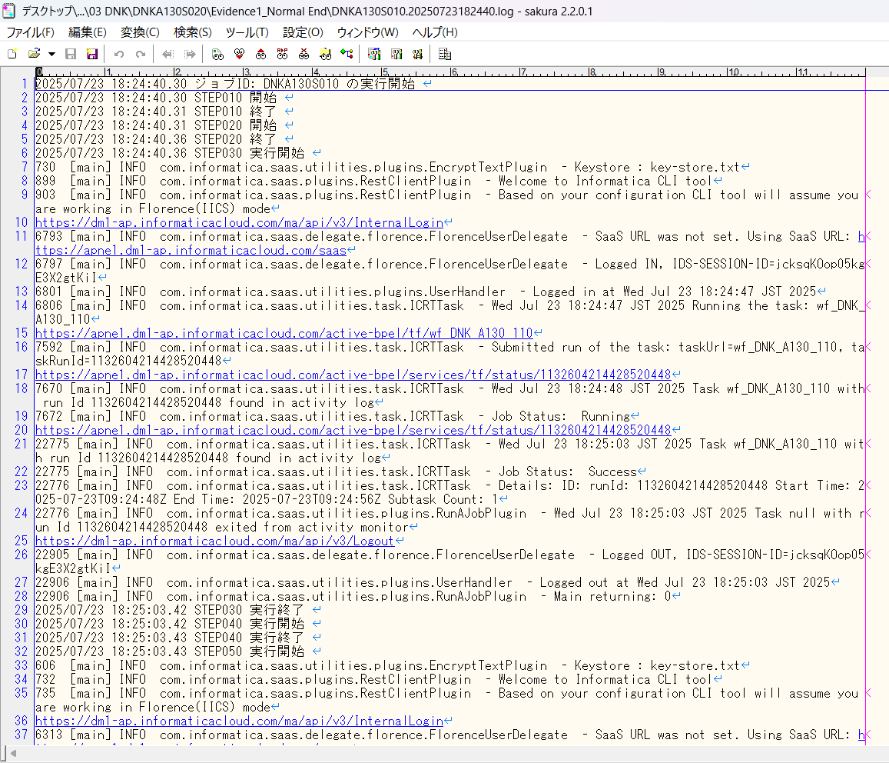
 | DNKA130S010.20250723182440.log

確認観点① /Confirmation viewpoint ①
以下の情報が出力されている
・開始メッセージ
・ステップメッセージ
・終了メッセージ
/The following information is output
・Start message
・Step message
・Completion message

 | セッションログが出力されている/Session log is output
 | セッションインポートログが出力されている/Session import log is output

No.14 OK
No.15 OK
No.16 OK

No.8
No.30
No.32
No.33

 | 前提条件 /Prerequisite

 | 特になし。 | /N/A

 | 実施 /Implementation

 | 件数確認ファイルが出力されていること。 ・DNKA130S01001
 | 連携ファイルが出力されていること。 ・DNKA130S02001
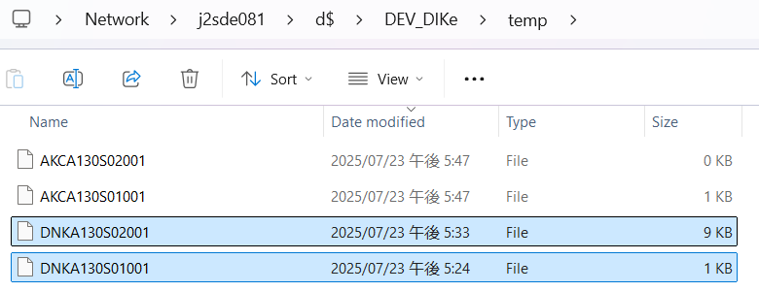

No.8 OK

 | ・対象データの件数 = 連携ファイル(DNKA130S02001)の出力件数 であること |  |  |  |  |  | /Number of target data = Number of output files (DNKA130S02001)

 | DNKA130S01001 |  |  |  |  |  |  |  |  |  |  | DNKA130S02001

No.30 OK
No.32 OK
No.33 OK

No.40
No.41
No.42
No.43
No.44
No.45

 | 前提条件 /Prerequisite

 | 特になし。 | /N/A

 | 実施 /Implementation

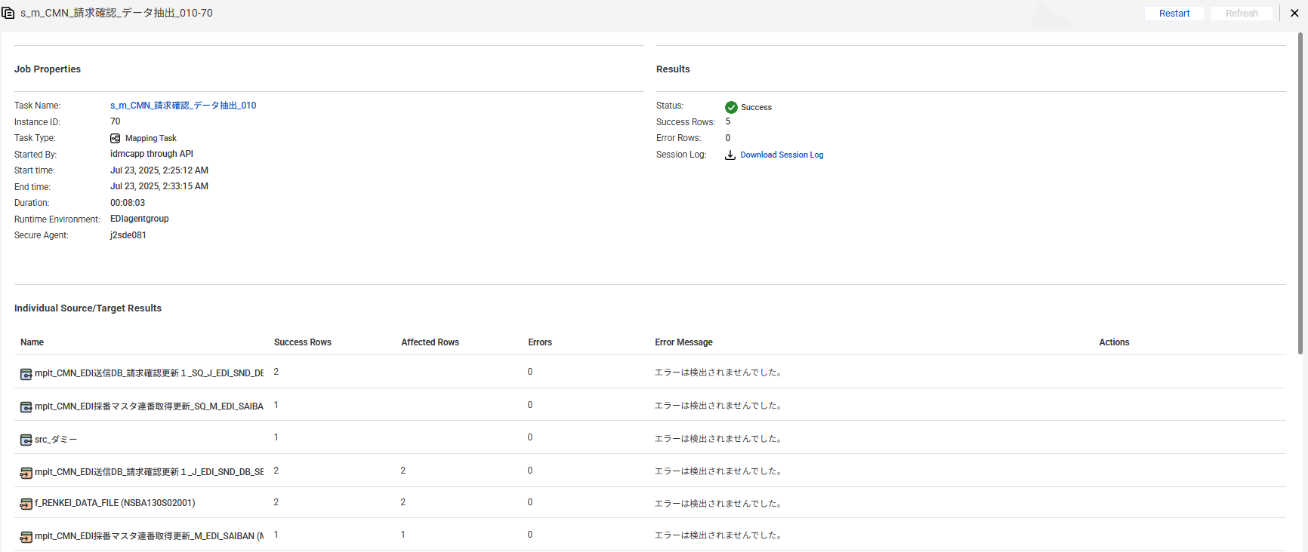

No.40 OK

No.42 OK

 | EDI受信DB_仕入先
 | 【実行前】
 | select * from J_EDI_RCV_DB_SUP
 | where DATA_KOKAN_ID = '001126'
 | AND RCV_SEQ_NO in ('SA05441022','SA05441021')
 | RCV_SEQ_NO | DATA_KOKAN_ID | EDI_KINO_CATEGORY_CD | HAN_FUMEI_KBN | HAN_CD | HAN_CD_KAKUTEI | RCV_SOSHIKI_CD | RCV_SOSHIKI_CD_KAKUTEI | CONFIRM_SIR_SKNIN_SSHK_CD_OLD | CONFIRM_SIR_SKNIN_SSHK_CD_NEW | SUP_FUMEI_KBN | SUP_CD | SUP_CD_KAKUTEI | ITEM_FUMEI_KBN | ITEM_CD | ITEM_CD_KAKUTEI | ITEM_BESSHO_CD | SOKO_FUMEI_KBN | SOKO_CD | SOKO_CD_KAKUTEI | HOMBU_CD | NNY_CD | NNY_CD_KAKUTEI | NNY_NM | NNY_NM_KAKUTEI | MENU_NO | ITEM_TAIHI_AITE_CD | HAN_TAIHI_AITE_CD | HAC_BUSHO_TAIHI_AITE_CD | EDI_SHOGO_KEY | FUNC_UKETSUKE_NO | RCV_YMD | RCV_TM | RCV_FUNC_KEKKA_TSUCHI | ERR_MSG_HININ_RIYU | IK_FREE_SPACE1 | IK_FREE_SPACE2 | IK_FREE_SPACE3 | IK_FREE_SPACE4 | IK_FREE_SPACE5 | IK_FREE_SPACE6 | IK_FREE_SPACE7 | IK_FREE_SPACE8 | IK_FREE_SPACE9 | IK_FREE_SPACE10 | ITEM_NM_TSUIKI | URI_TANK | URI_GAKU_HONTAI | EDI_SEIKYU_GAKU_KAKUTEI | EDI_SHOHIZEI_GAKU_KAKUTEI | ZEIKOMI_SEIKYU_GAKU_KAKUTEI | SUP_KEIJO_YMD | KEIJO_YMD | SUP_URI_NO | JURYO | EDI_PAY_SIGHT | MEMO | TEISEI_H_AITE_SHOGO_NO | MK_JIGYOSHO | MK_ITEM_CD_FULL | SHUKKA_BASHO_NM | EDI_MK_NISUGATA_NM | KOJO_NM | GEMBA_NM | HAN_ARER | TANTOKA_CD | KANJI_NOTE_SBT | NOTE | GRADE_COLOR_NO | EDI_ITEM_WIDTH | EDI_ITEM_LENGTH | EDI_ITEM_THICK | EDI_ITEM_DAITAIHIN_WIDTH | HAN_HIMBAN | LIST_OUT_YO_ERR_NAIYO | SIR_DEN_NO | URI_DEN_NO | SOSAI_RCV_SEQ_NO | EDI_PAY_SHIMEKIRI_YMD | HENKOGO_KIJITSU_YMD | PAY_SHOGO_NO | SHUKKA_SEIKYU_CHK_NO_SAIMU | KEIJO_JOKYO_SBT_KARISHIME | EDI_PAY_SHIME_SBT | EDI_PAY_SBT | DAIHYOATE_MAIL_SND_KBN | ACT_HANEI_YN_KBN | ACT_HANEI_ZUMI_KBN | MST_HANEI_ZUMI_KBN | KAKAKU_MST_SHOGO_AUTO_ADD_KBN | KAKAKU_MST_SHOGO_KEY_SBT | KAKAKU_MST_SHOGO_KEY | EDI_URI_GAKU_KAKUTEI_ZUMI_KBN | AUTO_ADD_TAISHOGAI_KBN | NETNET_AUTO_ADD_TAISHO_KBN | SHUKKA_SEIKYU_CHK_ZUMI_KBN | RECORD_DEL_KANO_KBN | RCV_KOUMOKU_TEISEIKA_KBN | LIST_OUT_ZUMI_KBN | BATCH_FUNC_KANRYO_KBN | SIR_TAX_FUNC_CD | SIR_TAX_FUNC_CD_CONFIRM | URI_TAX_FUNC_CD | URI_TAX_FUNC_CD_CONFIRM | EIGYO_TANTO_CD | INP_TANTO_CD | ERR_LEVEL_SBT | ERR_SBT | SUP_KAITO_SBT | USR_HAC_FUNC_SBT | SEIKYU_CHK_CREATE_SBT | CHK_SBT | EDI_KEIJO_SBT | EDI_KEIJO_SBT_KAKUTEI | KEIJO_JOKYO_SBT | AUTO_DEL_JISSHI_JOKYO_SBT | ACT_ERR_CD | EDI_SEIKYU_DATA_KBN | JPCA_RESERVE | JPCA_BPID | JPCA_SND_RCV | JPCA_INF_KBN | JPCA_JISHA_CD | JPCA_AITE_SAKI_CD | JPCA_SIR_EDI_DATA_SBT_CD | JPCA_FUNC_KBN | JPCA_FUNC_YMD | JPCA_FUNC_HMS | JPCA_AKAKURO_KBN | JPCA_HACSHA_KIGYO_CD | JPCA_HACSHA_BMN_CD | JPCA_NEW_HACSHA_KIGYO_CD | JPCA_NEW_HACSHA_BMN_CD | JPCA_JUC_KIGYO_CD | JPCA_JUC_BMN_CD | JPCA_SEIKYU_KIGYO_CD | JPCA_SEIKYU_BMN_CD | JPCA_PAY_KIGYO_CD | JPCA_PAY_BMN_CD | JPCA_KEIYAKU_NO | JPCA_JISSHI_YMD | JPCA_EDI_CHUMON_NO | JPCA_HACSHA_CHUMON_D | JPCA_HACSHA_CHUMON_TM | JPCA_ORDER_KBN | JPCA_RENRAKU_YN_KBN | JPCA_SU_SHITEI_KBN | JPCA_HAC_COMMENT_KANA | JPCA_HAC_COMMENT_KANJI | JPCA_EDI_JUC_NO | JPCA_JUC_CHUMON_UKETSUKE_D | JPCA_JUC_CHUMON_UKETSUKE_TM | JPCA_JUC_CHUMON_KAKUTEI_D | JPCA_BUNNO_KBN | JPCA_JUC_FUNC_KBN | JPCA_ITEM_NM_GROUP | JPCA_ITEM_NMK | JPCA_ITEM_NM_KANJI | JPCA_LOT_NO_SHITEI_KBN | JPCA_LOT_NO | JPCA_JUYOKA_KIGYO_CD | JPCA_JUYOKA_BMN_CD | JPCA_JUYOKA_NMK | JPCA_JUYOKA_NM_KANJI | JPCA_JUYOKA_CHUMON_NO | JPCA_NIJITEN_KIGYO_CD | JPCA_NIJITEN_BMN_CD | JPCA_NIJITEN_NMK | JPCA_NIJITEN_NM | JPCA_SANJITEN_KIGYO_CD | JPCA_SANJITEN_BMN_CD | JPCA_SANJITEN_NMK | JPCA_SANJITEN_NM | JPCA_KESSAI_JOKEN_SHIMEKIRI_D | JPCA_KESSAI_JOKEN_KISAN_D | JPCA_KESSAI_JOKEN_SHUDAN | JPCA_KESSAI_JOKEN_MANKI_D | JPCA_KESSAI_KIJUN | JPCA_KESSAI_JOKEN | JPCA_SU_KAKUTEI_KBN | JPCA_HAN_TANK | JPCA_TANK_UNIT | JPCA_TANK_KBN | JPCA_KOSEN_KBN | JPCA_KOSEN_TANK | JPCA_KOSEN | JPCA_NIJITEN_KOSEN_KBN | JPCA_NIJITEN_KOSEN_TANK | JPCA_NIJITEN_KOSEN | JPCA_NNY_KIGYO_CD | JPCA_NNY_BMN_CD | JPCA_NNY_NMK | JPCA_NNY_NM_KANJI | JPCA_EDI_UKEWATASHI_JOKEN | JPCA_UKEWATASHI_BASHO_ADDRK | JPCA_UKEWATASHI_BASHO_ADDR | JPCA_CHIKU_CD | JPCA_ZIP | JPCA_EDI_TEL | JPCA_FAX | JPCA_KIBO_NONYU_YMD | JPCA_KIBO_NONYU_TM | JPCA_KIBO_NONYU_COMMENT | JPCA_NONYU_YMD_YOTEI | JPCA_NONYU_YOKEN_KANA | JPCA_NONYU_YOKEN_KANJI | JPCA_EDI_PAY_GAKU | JPCA_PAY_SEIRI_NO | JPCA_TEGATA_NO_KOGITTE | JPCA_ISSUE_BANK_CD | JPCA_ISSUE_BANK_NM | JPCA_FURIKOMI_BANK_CD | JPCA_FURIKOMI_BANK_NM | JPCA_KOZA_NO | JPCA_PAY_YOKEN | JPCA_CHUMON_SU | JPCA_CHUMON_HAN_KOSU | JPCA_CHUMON_SU_UNIT | JPCA_HAN_SU | JPCA_GAKU_CLC_SU | JPCA_EDI_NISUGATA | JPCA_YORYO | JPCA_HAN_GAKU | JPCA_EDI_SEIKYU_GAKU | JPCA_EDI_SHOHIZEI_GAKU | JPCA_ZEIKOMI_SEIKYU_GAKU | JPCA_TANK_GAKU_KBN | JPCA_EDI_TORIHIKI_KBN_CD | JPCA_SOKYU_KBN | JPCA_SHUKKA_SEIKYU_KBN | JPCA_KAZEI_KBN | JPCA_BACK_ORDER_KEIJO_KBN | JPCA_KEIJO_YM | JPCA_WARIMASHI_HIKI_KBN | JPCA_WARIMASHI_HIKI_RIYU | JPCA_SHUKKA_YMD_YOTEI | JPCA_SHUKKA_HOKOKU_NO | JPCA_SHUKKA_SEIKYU_NO | JPCA_SHUKKA_BASHO | JPCA_SHUKKA_SHIJI_COMMENT_KANA | JPCA_SHUKKA_SHIJI_COMMENT_KANJ | JPCA_YUSO_SHUDAN | JPCA_YUSO_SHARYO | JPCA_HACSHA_INF | JPCA_JUC_INF | JPCA_DOM_EXP_KBN | JPCA_ERR_RIYU | JPCA_ERR_COMMENT_KANA | JPCA_ERR_COMMENT_KANJI | JPCA_SEIKYU_CHK_KBN | JPCA_YOBI_KANA | JPCA_YOBI_KANJI | AITE_SAKI_BETSU_DATA | DEL_KBN | CREATE_DT
 | SA05441021 | 001126 | A100 | 0 | 0013230021 | 0013230021 | 137 | 13402 | 13402 | 13402 | 0 | 0067480103 | 0067480103 | 1 |  | 0000015816 | 01 | 0 |  |  |  |  |  | ■■ポ■■本■ | ■■ポ■■本■ | 08 | AT01G200CFEC | A1713201 | A0001916 | 0109205148 | 479804 | 20170630 | 090933 |  | MAASAB4219I |  |  |  |  |  |  |  |  |  |  |  | 0 | 0 | 512640 | 41011 | 553651 |  | 20170629 | 0109205148 | 0 | 000 |  |  |  |  |  |  |  |  |  |  | K | ４ｔ車迄可パレット不／注ＮＯ．０５００１５３ |  | 0 | 0 | 0 | 0 |  |  | DB08933929 | DA08933929 |  | 20170630 | 20170831 | GM00171333 |  | 1 | 1 | 1 | 0 | 1 | 1 | 0 | 1 | Z | AT01G200CFEC | 0 | 1 | 0 | 0 | 0 | 0 | 0 | 1 | 115 | 125 | 111 | 121 | 99005 | 17013 | 3 | 7 | V | 0 | 2 | A | 11 | 11 | 1 | 0 |  |  |  |  |  | A100 |  |  |  | 1 |  |  |  |  |  |  |  |  | M2 |  |  |  |  |  |  | 0500153146 |  |  |  |  |  |  |  | 0109205148 |  |  |  |  |  |  |  | ■■０■■ ■■０■■フ■■ン |  |  |  |  |  |  |  |  |  |  |  |  |  |  |  | 20170630 | 20170731 | 3 | 20170831 |  |  |  | 170.88 | KG |  |  | 0 | 0 |  | 0 | 0 |  |  |  | ■■ポ■■本■ |  |  |  |  |  |  |  | 20170630 |  |  | 20170630 |  |  | 0 |  |  |  |  |  |  |  |  | 0 | 0 | ZZZ | 3000 | 3000 |  | 0 | 0 | 512640 | 41011 | 553651 |  |  |  |  |  |  |  |  |  | 20170629 | 081175412690000 | 0910564156 |  |  |  |  |  |  |  |  |  |  |  |  |  | ４ｔ車迄可パレット不／注ＮＯ．０５００１５３ | #JPCA0102R1710101913000010114876000001171011706300901282 3040TSM2 A0001916 A1713201T000000005001531460000000000 ４ｔ車迄可パレット不／注ＮＯ．０５００１５３01092051481706201102000010 PS1 AT01G200CFEC Ｇ２００Ｃ ５００ｋｇフレコン 7621H6 A1713201 ニッポー 本社 17063017073131708311 10000000178000KG 200000000040000000000000000 00000000000000000000000000A1713201 ニッポー 本社 氷野２－３－７ 27 5740062072-870-8866072-870-7610170630 170630 新ＬＯＴ試験成績書添付／ＡＭ着希望 0000000000000 0910564156000010 0000000 00000030000000000000006000KG 00000030000000000000000000BAG 0000000500000000000053400000000005126400000000041011000000055365111 11 206291706290811754126900001 MC00 大東市 2017020001323100110 1 JPY 0910564156000010 | 0 | 2017/06/30 09:09:33
No.41 OK | SA05441022 | 001126 | A100 | 0 | 0013230021 | 0013230021 | 137 | 13402 | 13402 | 13402 | 0 | 0067480103 | 0067480103 | 1 |  | 0000015816 | 01 | 0 |  |  |  |  |  | ■■ポ■■本■ | ■■ポ■■本■ | 08 | AT03H350XFEC | A1713201 | A0001916 | 0109205179 | 479804 | 20170630 | 090933 |  | MAASAB4219I |  |  |  |  |  |  |  |  |  |  |  | 0 | 0 | 175680 | 14054 | 189734 |  | 20170629 | 0109205179 | 0 | 000 |  |  |  |  |  |  |  |  |  |  | K | ４ｔ車迄可パレット不／注ＮＯ．０５００１５３ |  | 0 | 0 | 0 | 0 |  |  | DB08933963 | DA08933963 |  | 20170630 | 20170831 | GM00171333 |  | 1 | 1 | 1 | 0 | 1 | 1 | 0 | 1 | Z | AT03H350XFEC | 0 | 1 | 0 | 0 | 0 | 0 | 0 | 1 | 115 | 125 | 111 | 121 | 99005 | 17013 | 3 | 7 | V | 0 | 2 | A | 11 | 11 | 1 | 0 |  |  |  |  |  | A100 |  |  |  | 1 |  |  |  |  |  |  |  |  | M2 |  |  |  |  |  |  | 0500153148 |  |  |  |  |  |  |  | 0109205179 |  |  |  |  |  |  |  | ■■５■■５■■ｋ■■レ■■ |  |  |  |  |  |  |  |  |  |  |  |  |  |  |  | 20170630 | 20170731 | 3 | 20170831 |  |  |  | 175.68 | KG |  |  | 0 | 0 |  | 0 | 0 |  |  |  | ■■ポ■■本■ |  |  |  |  |  |  |  | 20170630 |  |  | 20170630 |  |  | 0 |  |  |  |  |  |  |  |  | 0 | 0 | ZZZ | 1000 | 1000 |  | 0 | 0 | 175680 | 14054 | 189734 |  |  |  |  |  |  |  |  |  | 20170629 | 081175412790000 | 0910564157 |  |  |  |  |  |  |  |  |  |  |  |  |  | ４ｔ車迄可パレット不／注ＮＯ．０５００１５３ | #JPCA0102R1710101913000010114876000001171011706300901282 3040TSM2 A0001916 A1713201T000000005001531480000000000 ４ｔ車迄可パレット不／注ＮＯ．０５００１５３01092051791706201105000010 PS2 AT03H350XFEC Ｈ３５０ ５００ｋｇフレコン 7614R3 A1713201 ニッポー 本社 17063017073131708311 10000000183000KG 200000000040000000000000000 00000000000000000000000000A1713201 ニッポー 本社 氷野２－３－７ 27 5740062072-870-8866072-870-7610170630 170630 新ＬＯＴ試験成績書添付／ＡＭ着希望 0000000000000 0910564157000010 0000000 00000010000000000000002000KG 00000010000000000000000000BAG 0000000500000000000018300000000001756800000000014054000000018973411 11 206291706290811754127900001 MC00 大東市 2017020001323200110 1 JPY 0910564157000010 | 0 | 2017/06/30 09:09:33

 | EDI採番マスタ
 | EDI採番マスタ のEDI_連番 =EDI_連番(ジョブ実行前）+1 であること
 | 【実行前】
 | select * from M_EDI_SAIBAN
 | where EDI_SAIBAN_SBT = '01'
 | and EDI_SAIBAN_SHUTOKU_KEY = 'ZZZZZZZZZZ'
 | for update wait 60;
 | EDI_SAIBAN_SBT | EDI_SAIBAN_SHUTOKU_KEY | YUKO_KETA_SU | EDI_REMBAN | MST_UPDATE_USR | MST_UPDATE_DT | DEL_KBN | CREATE_DT | CREATE_USR | CREATE_FUNC | NEW_UPDATE_DT | NEW_UPDATE_USR | NEW_UPDATE_FUNC | UPDATE_CNT
 | 01 | ZZZZZZZZZZ | 10 | 631144 | 99998 | 2010/08/05 00:00:00 | 0 | 2010/08/05 09:19:14 | 99998 | SEB10301 | 2025/07/23 18:11:15 | EDI | m_DNK_請求確認_データ抽出_010 | 237

 | 【実行後】
 | select * from M_EDI_SAIBAN
 | where EDI_SAIBAN_SBT = '01'
 | and EDI_SAIBAN_SHUTOKU_KEY = 'ZZZZZZZZZZ'
 | for update wait 60;
 | EDI_SAIBAN_SBT | EDI_SAIBAN_SHUTOKU_KEY | YUKO_KETA_SU | EDI_REMBAN | MST_UPDATE_USR | MST_UPDATE_DT | DEL_KBN | CREATE_DT | CREATE_USR | CREATE_FUNC | NEW_UPDATE_DT | NEW_UPDATE_USR | NEW_UPDATE_FUNC | UPDATE_CNT
No.42 OK | 01 | ZZZZZZZZZZ | 10 | 631145 | 99998 | 2010/08/05 00:00:00 | 0 | 2010/08/05 09:19:14 | 99998 | SEB10301 | 2025/07/23 18:25:16 | EDI | m_DNK_請求確認_データ抽出_010 | 238
No.45 OK

 | EDI送信DB_請求確認
 | 【実行前】
 | select * from J_EDI_SND_DB_SEIKYU_CHK
 | where DATA_KOKAN_ID = '001440'
 | and EDI_KINO_CATEGORY_CD = 'A130'
 | and EDI_SND_JOKYO_SBT= '0'
 | SND_SEQ_NO | KEIJO_JOKYO_SBT | ERR_SBT | SIGN_KBN | SIR_DEN_NO | DATA_KOKAN_ID | EDI_KINO_CATEGORY_CD | ERR_MSG_HININ_RIYU | SOSHIKI_CD | TANTO | REG_YMD | KEIJO_YMD | SUP_CD | RCV_SEQ_NO | EDI_SND_JOKYO_SBT | SND_DT | SND_DATA_DEL_KBN | SHUKKA_HOKOKU_NO | ITEM_CD | EDI_SHOGO_KEY | HAN_CHUMON_NO | FUNC_UKETSUKE_NO | DEL_KBN | CREATE_DT | CREATE_USR | CREATE_FUNC | NEW_UPDATE_DT | NEW_UPDATE_USR | NEW_UPDATE_FUNC | UPDATE_CNT
 | S501708784 | 1 | 7 |  | DB08933963 | 001126 | A130 |  | 13402 | 17013 | 20170630 | 20170629 | 0067480103 | SA05441022 | 0 |  | 0 | 081175412790000 | 0000015816 | 0109205179 |  | 480473 | 0 | 2017/07/03 21:56:55 | 99999 | SABN150PGM010 | 2017/07/04 10:02:42 | EDI | A130_J033 | 2
 | S501708785 | 1 | 7 |  | DB08933929 | 001126 | A130 |  | 13402 | 17013 | 20170630 | 20170629 | 0067480103 | SA05441021 | 0 |  | 0 | 081175412690000 | 0000015816 | 0109205148 |  | 480473 | 0 | 2017/07/03 21:56:55 | 99999 | SABN150PGM010 | 2017/07/04 10:02:42 | EDI | A130_J033 | 2

 | 【実行後】
 | select * from J_EDI_SND_DB_SEIKYU_CHK
 | where DATA_KOKAN_ID = '001440'
 | and EDI_KINO_CATEGORY_CD = 'A130'
 | and EDI_SND_JOKYO_SBT= '1'
 | SND_SEQ_NO | KEIJO_JOKYO_SBT | ERR_SBT | SIGN_KBN | SIR_DEN_NO | DATA_KOKAN_ID | EDI_KINO_CATEGORY_CD | ERR_MSG_HININ_RIYU | SOSHIKI_CD | TANTO | REG_YMD | KEIJO_YMD | SUP_CD | RCV_SEQ_NO | EDI_SND_JOKYO_SBT | SND_DT | SND_DATA_DEL_KBN | SHUKKA_HOKOKU_NO | ITEM_CD | EDI_SHOGO_KEY | HAN_CHUMON_NO | FUNC_UKETSUKE_NO | DEL_KBN | CREATE_DT | CREATE_USR | CREATE_FUNC | NEW_UPDATE_DT | NEW_UPDATE_USR | NEW_UPDATE_FUNC | UPDATE_CNT
 | S501708784 | 1 | 7 |  | DB08933963 | 001126 | A130 |  | 13402 | 17013 | 20170630 | 20170629 | 0067480103 | SA05441022 | 1 |  | 0 | 081175412790000 | 0000015816 | 0109205179 |  | 480473 | 0 | 2017/07/03 21:56:55 | 99999 | SABN150PGM010 | 2025/07/23 18:25:16 | EDI | m_CMN_請求確認_データ抽出_010 | 3
 | S501708785 | 1 | 7 |  | DB08933929 | 001126 | A130 |  | 13402 | 17013 | 20170630 | 20170629 | 0067480103 | SA05441021 | 1 |  | 0 | 081175412690000 | 0000015816 | 0109205148 |  | 480473 | 0 | 2017/07/03 21:56:55 | 99999 | SABN150PGM010 | 2025/07/23 18:33:03 | EDI | m_CMN_請求確認_データ抽出_010 | 3
No.40 OK
No.43 OK
No.44 OK

No.34
No.35
No.39

 | 前提条件 /Prerequisite

 | 特になし。 | /N/A

 | 実施 /Implementation

 | DNK_請求確認_連携ファイル出力確認.xlsx 参照
No.34 OK
No.35 OK
No.39 OK

No.53
No.54

 | 前提条件 /Prerequisite

 | 特になし。 | /N/A

 | 実施 /Implementation
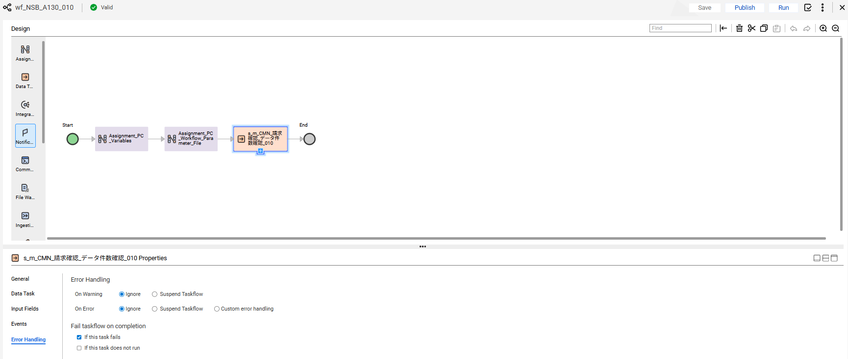

No.53 OK

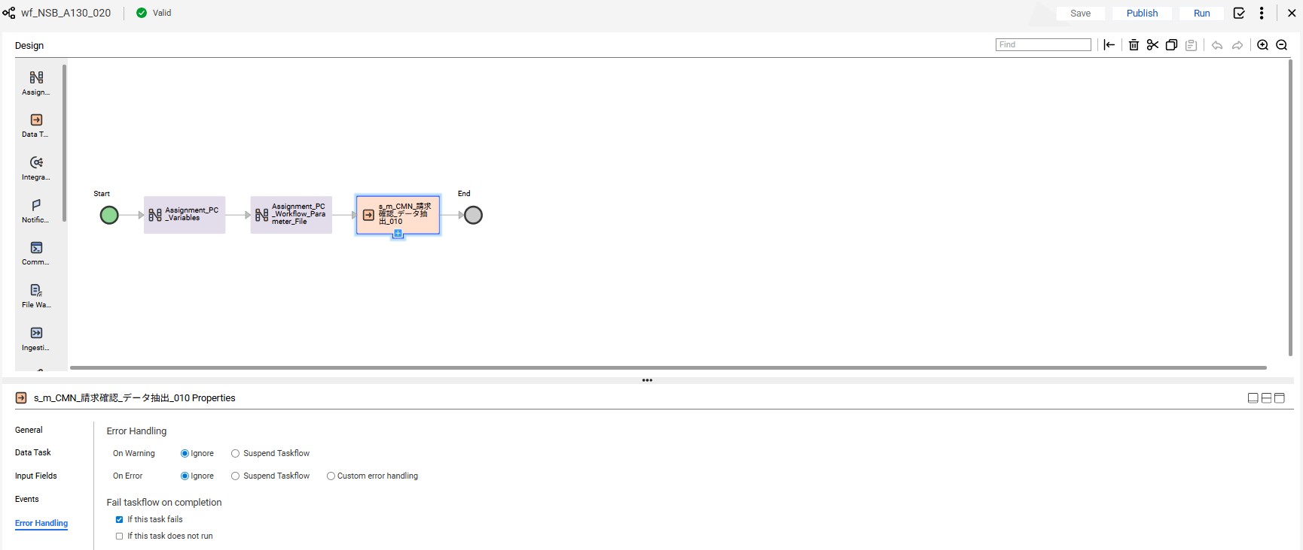

No.54 OK

END

異常終了_Abnormal
No.22

 | 前提条件 /Prerequisite

 | select * from J_EDI_SND_DB_SEIKYU_CHK a
 | where a.DATA_KOKAN_ID = '001126'
 | and a.EDI_KINO_CATEGORY_CD = 'A130'
 | and a.EDI_SND_JOKYO_SBT = '0'
 | for update wait 60;
 | SND_SEQ_NO | KEIJO_JOKYO_SBT | ERR_SBT | SIGN_KBN | SIR_DEN_NO | DATA_KOKAN_ID | EDI_KINO_CATEGORY_CD | ERR_MSG_HININ_RIYU | SOSHIKI_CD | TANTO | REG_YMD | KEIJO_YMD | SUP_CD | RCV_SEQ_NO | EDI_SND_JOKYO_SBT | SND_DT | SND_DATA_DEL_KBN | SHUKKA_HOKOKU_NO | ITEM_CD | EDI_SHOGO_KEY | HAN_CHUMON_NO | FUNC_UKETSUKE_NO | DEL_KBN | CREATE_DT | CREATE_USR | CREATE_FUNC | NEW_UPDATE_DT | NEW_UPDATE_USR | NEW_UPDATE_FUNC | UPDATE_CNT
 | S501708784 | 1 | 7 |  | DB08933963 | 001126 | A130 |  | 13402 | 17013 | 20170630 | 20170629 | 0067480103 | SA05441022 | 0 |  | 0 | 081175412790000 | 0000015816 | 0109205179 |  | 480473 | 0 | 2017/07/03 21:56:55 | 99999 | SABN150PGM010 | 2025/07/23 18:25:16 | EDI | A130_J033 | 2
 | S501708785 | 1 | 7 |  | DB08933929 | 001126 | A130 |  | 13402 | 17013 | 20170630 | 20170629 | 0067480103 | SA05441021 | 0 |  | 0 | 081175412690000 | 0000015816 | 0109205148 |  | 480473 | 0 | 2017/07/03 21:56:55 | 99999 | SABN150PGM010 | 2025/07/23 18:33:03 | EDI | A130_J033 | 2

 | 実施 /Implementation

 | ジョブネット実行 /Jobnet execution
 | Systemwalker終了コード"99"で終了 |  |  |  | /End with Systemwalker exit code "99"


確認観点 ① /Confirmation viewpoint ①
Systemwalker終了コード"99"で終了を確認。/
Confirm termination with Systemwalker termination code "99"

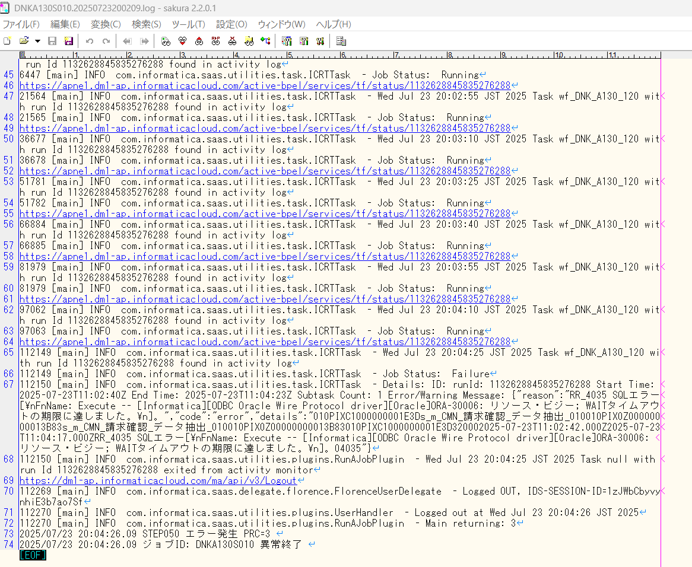

No.22 OK

END

0件_0 Data
No.21
No.31

 | 前提条件 /Prerequisite

 | select * from J_EDI_SND_DB_SEIKYU_CHK a
 | where a.DATA_KOKAN_ID = '001126'
 | and a.EDI_KINO_CATEGORY_CD = 'A130'
 | and a.EDI_SND_JOKYO_SBT = '0'
 | SND_SEQ_NO | KEIJO_JOKYO_SBT | ERR_SBT | SIGN_KBN | SIR_DEN_NO | DATA_KOKAN_ID | EDI_KINO_CATEGORY_CD | ERR_MSG_HININ_RIYU | SOSHIKI_CD | TANTO | REG_YMD | KEIJO_YMD | SUP_CD | RCV_SEQ_NO | EDI_SND_JOKYO_SBT | SND_DT | SND_DATA_DEL_KBN | SHUKKA_HOKOKU_NO | ITEM_CD | EDI_SHOGO_KEY | HAN_CHUMON_NO | FUNC_UKETSUKE_NO | DEL_KBN | CREATE_DT | CREATE_USR | CREATE_FUNC | NEW_UPDATE_DT | NEW_UPDATE_USR | NEW_UPDATE_FUNC | UPDATE_CNT
 | NULL | NULL | NULL | NULL | NULL | NULL | NULL | NULL | NULL | NULL | NULL | NULL | NULL | NULL | NULL | NULL | NULL | NULL | NULL | NULL | NULL | NULL | NULL | NULL | NULL | NULL | NULL | NULL | NULL | NULL

 | 実施 /Implementation

 | ジョブネット実行 /Jobnet execution
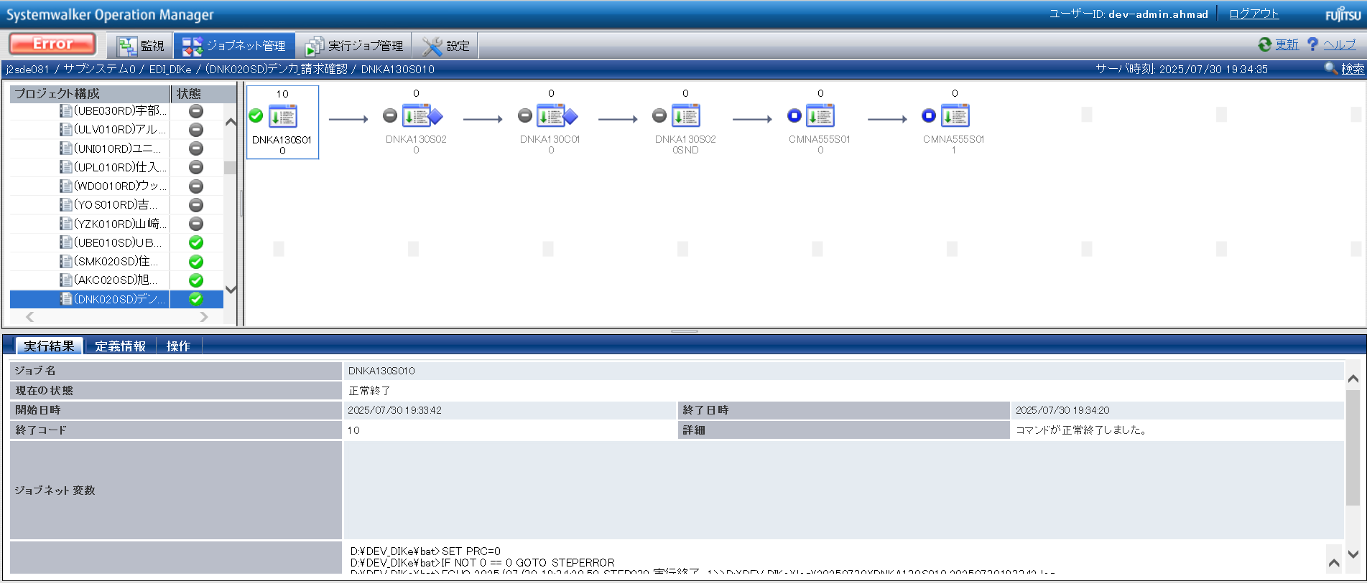

確認観点 ① /Confirmation viewpoint ①
/Systemwalker終了コード"10"で終了を確認。
/Confirmed termination with Systemwalker exit code "10".

No.21 OK

 | 件数確認ファイルが出力されていること。 ・DNKA130S01001
 | 連携ファイルが出力されていること。 ・DNKA130S02001

 | DNKA130S01001

 | DNKA130S02001

No.31 OK

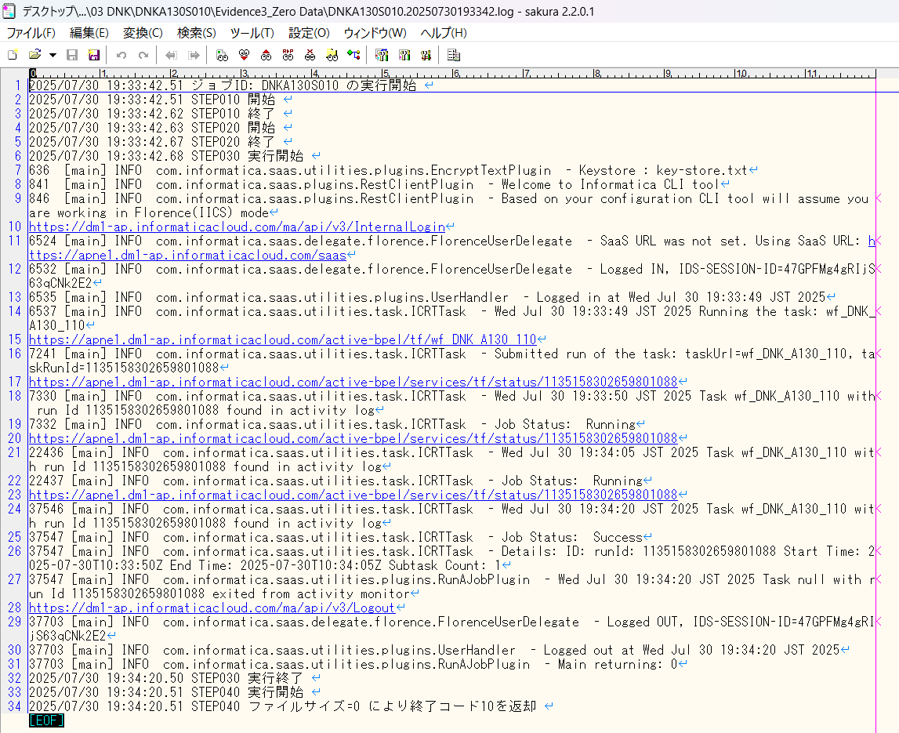

END

パーツ_1
No.01

 | 前提条件 /Prerequisite

 | 特になし。
 | /N/A

 | 実施 /Implementation

No.01 OK

END

確認観点 ① /Confirmation viewpoint ①
○○○○を確認。/Confirm ○○○○
確認観点 /Confirmation viewpoint
以下の情報が出力されている /Below information is output
・開始メッセージ /Start message
・ステップメッセージ /Step message
・終了メッセージ /End message
確認観点 /Confirmation viewpoint
詳細が指定どおりであることを確認しました。
/Confirmed that the details are as specified.

 |  | ①②③④⑤⑥⑦⑧⑨⑩

 |  | テスト上重要な項目 /Important item for testing.
 |  | 申請番号 /Application No | 海外発注番号 /Oversea order No | 海外発注識別番号 /Overseas order identification number | 仕向国コード /Destination country code
 | → | #N/A | #N/A | #N/A | #N/A

 |  | Comment : 青セルに取得したい項目（和名）を入力してください。HLOOKUP内の検索範囲を調整してください。※使いづらかったら使わなくてOKです。
 |  | /Comment: Enter the item (Japanese name) to get in the blue cell. Please adjust the search range in HLOOKUP. * Do not use if it is difficult to use.

